Workflow Diagrams
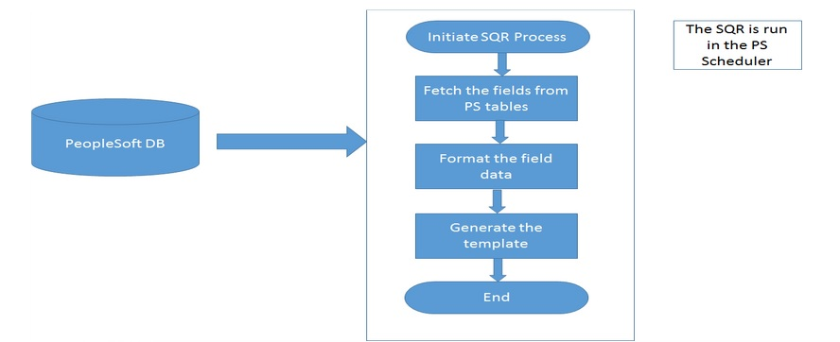
AP_COMP.SQR - AP_COMP (Compensation History Extract) Design Specification
 | Workflow Diagrams

